Data
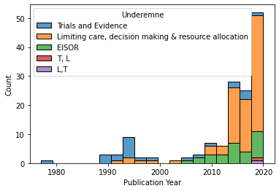
 |  | INCLUDED ARTICLES: | Number of articles:
Total number of articles after search: | 144 | Trials & evidence | 24
Other language | 0 | Resource allocation, decision making, limiting care: | 89
Rejected by abstract (no mention of ethics or ethical reasoning not related to topic) | 0 | EISOR | 29
Rejected by abstract (no mention of ethics or ethical reasoning) | 4 | Total: | 142

Articles to review in full: | 140 | EXCLUDED ARTICLES
(Marc har gennemgået, og kommenteret tidligere) | 145 | Other language | 9
 |  | Other subject | 198
Mangler gennemgang | -5 | No access | 27
 |  | Republication | 3
 |  | Total: | 237
 |  | TOTAL | 379

