hypertension
 |  | hypertension |  | severe |  | non-severe
 |  | 1 | Chaolin Huang | 2 | 5 | 4 | 8
 |  | 2 | XIANG Tianxin | 4 | 6 | 2 | 8
 |  | 3 | CHEN Min | 17 | 24 | 1 | 3
 |  | 4 | FANG Xiaowei | 11 | 16 | 5 | 11
 |  | 5 | XIONG Juan | 10 | 27 | 16 | 39
 |  | 6 | Dawei Wang | 21 | 26 | 22 | 38
 |  | 7 | XIAO Kaihu | 5 | 17 | 5 | 29
 |  | 8 | Kunhua Li | 2 | 11 | 3 | 4
 |  | 9 | Jin-jin Zhang | 22 |  | 20 | 82
 |  | 10 | Yuan Jing | 4 |  | 21 | 192

 |  |  |  |  |  |  |  | HUbei：1 | non-HUbei：2
 | final version | hypertension |  | severe |  | non-severe |  | sub-analysis |  | comorbidities | total cases
463 | Cheng Kebin | 9 | Cheng Kebin | 53 | 181 | 54 | 282 | Hubei |  | 107 | 463
79 | Fang Xiaowei | 8 | Fang Xiaowei | 11 | 24 | 5 | 55 | non-Hubei |  | 16 | 79
80 | Li dan | 7 | Li dan | 7 | 17 | 7 | 63 | non-Hubei |  | 14 | 80
83 | Li Kunhua | 5 | Li Kunhua | 2 | 25 | 3 | 58 | non-Hubei |  | 5 | 83
55 | Sun Lijun | 10 | Sun Lijun | 6 | 15 | 2 | 40 | non-Hubei |  | 8 | 55
143 | Xiao Kaihu | 12 | Xiao Kaihu | 5 | 36 | 12 | 107 | non-Hubei |  | 17 | 143
223 | Yuan Jing | 16 | Yuan Jing | 4 | 31 | 21 | 192 | non-Hubei |  | 25 | 223
221 | Zhang Guqin |  | Zhang Guqin | 26 | 55 | 28 | 166 | Hubei |  | 54 | 221
140 | Zhang Jin-jin |  | Zhang Jin-jin | 22 | 58 | 20 | 82 | Hubei |  | 42 | 140
189 | Zhao Cancan |  | Zhao Cancan | 11 | 36 | 11 | 153 | non-Hubei |  | 22 | 189
91 | Zhao Xin-Ying |  | Zhao Xin-Ying | 9 | 30 | 9 | 61 | Hubei |  | 18 | 91
134 | Siqin Zhang | 134 | Siqin Zhang | 7 | 19 | 7 | 115 | non-Hubei |  | 14 | 134
276 | Yiping Wei | 276 | Yiping Wei | 8 | 14 | 39 | 262 | Hubei |  | 47 | 276
1280 | Huilin Fang | 1280 | Huilin Fang | 216 | 487 | 207 | 793 | Hubei |  | 423 | 1280
412 | 杨秀红 | 412 | Yang Xiuhong | 105 | 301 | 18 | 111 | Hubei |  | 123 | 412
103 | 任美欣 | 103 | Ren Meixin | 19 | 32 | 11 | 71 | non-Hubei |  | 30 | 103
92 | 王玲 | 92 | Wang Ling | 11 | 21 | 9 | 71 | Hubei |  | 20 | 92
66 | 姚春勇 | 66 | Yao Chunyong | 3 | 11 | 12 | 55 | Hubei |  | 15 | 66
58 | 吕耀东 | 58 | Lv Yaodong | 3 | 14 | 6 | 44 | non-Hubei |  | 9 | 58
77 | 程芳 | 77 | Cheng Fang | 15 | 27 | 10 | 50 | non-Hubei |  | 25 | 77
788 | Shan-Yan Zhang | 788 | Shan-Yan Zhang | 34 | 78 | 92 | 710 | non-Hubei |  | 126 | 788
409 | Zhengtong Lv | 275 | Yaping Wang | 23 | 48 | 102 | 361 | Hubei |  | 125 | 409
564 | Zhichao Feng | 409 | Zhengtong Lv | 21 | 69 | 61 | 495 | non-Hubei |  | 82 | 564
172 | Chen Zhao | 564 | Zhichao Feng | 25 | 60 | 38 | 112 | Hubei |  | 63 | 172
232 | Lingshuang Sheng | 172 | Chen Zhao | 17 | 130 | 32 | 102 | Hubei |  | 49 | 232
671 | Yifei Nie | 232 | Lingshuang Sheng | 5 | 72 | 55 | 583 | non-Hubei |  | 60 | 655
1168 | Sheng-long Chen | 671 | Yifei Nie | 36 | 148 | 74 | 1020 | non-Hubei |  | 110 | 1168
456 | B. Cheng | 1168 | Sheng-long Chen | 102 | 251 | 48 | 205 | Hubei |  | 150 | 456
625 | Songqiao Liu | 456 | B. Cheng | 19 | 64 | 72 | 561 | non-Hubei |  | 91 | 625
333 | XiaoYu | 625 | Songqiao Liu | 9 | 26 | 55 | 307 | non-Hubei |  | 64 | 333
365 | Yanpei Zhang | 333 | XiaoYu | 6 | 26 | 33 | 339 | non-Hubei |  | 39 | 365
1007 | Yuan Cen | 365 | Yanpei Zhang | 125 | 287 | 145 | 720 | Hubei |  | 270 | 1007
41 | Qing Zhang | 41 | Qing Zhang | 2 | 8 | 1 | 33 | non-Hubei |  | 3 | 41
56 | Jing-Bo Wang | 56 | Jing-Bo Wang | 0 | 11 | 9 | 45 | non-Hubei |  | 9 | 56
78 | Nannan Zhang | 78 | Nannan Zhang | 1 | 6 | 3 | 72 | non-Hubei |  | 4 | 78
108 | Qingchun Yao | 108 | Qingchun Yao | 9 | 25 | 7 | 83 | Hubei |  | 16 | 108
293 | Zixin Shu | 293 | Zixin Shu | 29 | 86 | 40 | 207 | Hubei |  | 69 | 293
64 | Huihuang Huang | 64 | Huihuang Huang | 9 | 21 | 5 | 43 | non-Hubei |  | 14 | 64
85 | Chang-Zheng Wang | 85 | Chang-Zheng Wang | 16 | 46 | 6 | 39 | Hubei |  | 22 | 85
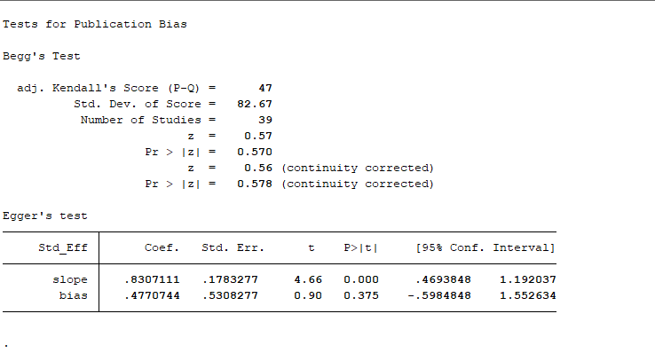
 |  |  | 39 |  |  |  |  |  |  |  | 11764

diabetes
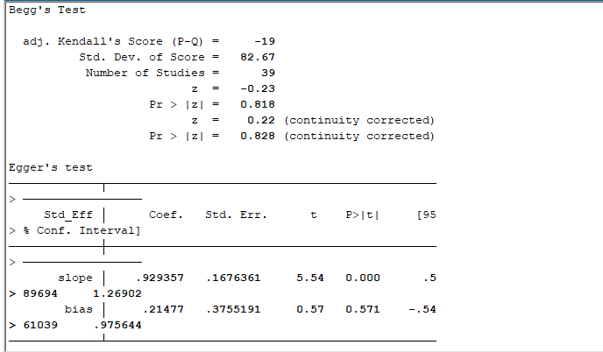
 |  | Diabetes | severe |  | non-severe
 | 1 | Chaolin Huang | 1 | 5 | 7 | 8
 | 2 | XIANG Tianxin | 2 | 6 | 0 | 8
 | 3 | CHEN Min | 4 | 24 | 0 | 3
 | 4 | FANG Xiaowei | 4 | 16 | 4 | 11
 | 5 | XIONG Juan | 6 | 27 | 8 | 39
 | 6 | Dawei Wang | 8 | 26 | 6 | 38
 | 7 | XIAO Kaihu | 5 | 17 | 5 | 29
 | 8 | Kunhua Li | 7 | 11 | 0 | 4
 | 9 | Jin-jin Zhang | 8 |  | 9
 | 10 | Yuan Jing | 8 |  | 10

 | final version | Diabetes | severe |  | non-severe |  | comorbidities | total cases
 | 9 | Cheng Kebin | 20 | 181 | 20 | 282 | 40 | 463 | Hubei
 | 8 | Fang Xiaowei | 4 | 24 | 4 | 55 | 8 | 79 | non-Hubei
 | 7 | Li dan | 6 | 17 | 4 | 63 | 10 | 80 | non-Hubei
 | 5 | Li Kunhua | 7 | 25 | 0 | 58 | 7 | 83 | non-Hubei
 | 10 | Sun Lijun | 2 | 15 | 3 | 40 | 5 | 55 | non-Hubei
 |  | Xiao Kaihu | 5 | 36 | 5 | 107 | 10 | 143 | non-Hubei
 |  | Yuan Jing | 8 | 31 | 10 | 192 | 18 | 223 | non-Hubei
 |  | Zhang Guqin | 7 | 55 | 15 | 166 | 22 | 221 | Hubei
 |  | Zhang Jin-jin | 8 | 58 | 9 | 82 | 17 | 140 | Hubei
 |  | Zhao Cancan | 10 | 36 | 6 | 153 | 16 | 189 | non-Hubei
 |  | Zhao Xin-Ying | 1 | 30 | 2 | 61 | 3 | 91 | Hubei
 |  | Zheng Yongli | 3 | 32 | 3 | 67 | 6 | 99 | non-Hubei
134 | 134 | Siqin Zhang | 6 | 19 | 4 | 115 | 10 | 134 | non-Hubei
276 | 276 | Yiping Wei | 2 | 14 | 12 | 262 | 14 | 276 | Hubei
1280 | 1280 | Huilin Fang | 93 | 487 | 91 | 793 | 184 | 1280 | Hubei
412 | 412 | Yang Xiuhong | 43 | 301 | 5 | 111 | 48 | 412 | Hubei
103 | 103 | Ren Meixin | 3 | 32 | 5 | 71 | 8 | 103 | non-Hubei
92 | 92 | Wang Ling | 5 | 21 | 3 | 71 | 8 | 92 | Hubei
66 | 66 | Yao Chunyong | 1 | 11 | 3 | 55 | 4 | 66 | Hubei
58 | 58 | Lv Yaodong | 3 | 14 | 3 | 44 | 6 | 58 | non-Hubei
77 | 77 | Cheng Fang | 2 | 27 | 4 | 50 | 6 | 77 | non-Hubei
788 | 788 | Shan-Yan Zhang | 12 | 78 | 45 | 710 | 57 | 788 | non-Hubei
409 | 409 | Zhengtong Lv | 15 | 48 | 57 | 361 | 72 | 409 | Hubei
564 | 564 | Zhichao Feng | 12 | 69 | 33 | 495 | 45 | 564 | non-Hubei
172 | 172 | Chen Zhao | 15 | 60 | 12 | 112 | 27 | 172 | Hubei
232 | 232 | Lingshuang Sheng | 17 | 130 | 8 | 102 | 25 | 232 | Hubei
671 | 671 | Yifei Nie | 0 | 72 | 11 | 583 | 11 | 655 | non-Hubei
1168 | 1168 | Sheng-long Chen | 23 | 148 | 27 | 1020 | 50 | 1168 | non-Hubei
456 | 456 | B. Cheng | 50 | 251 | 20 | 205 | 70 | 456 | Hubei
625 | 625 | Songqiao Liu | 10 | 64 | 30 | 561 | 40 | 625 | non-Hubei
333 | 333 | XiaoYu | 5 | 26 | 23 | 307 | 28 | 333 | non-Hubei
1007 | 1007 | Yuan Cen | 68 | 287 | 51 | 720 | 119 | 1007 | Hubei
41 | 41 | Qing Zhang | 2 | 8 | 1 | 33 | 3 | 41 | non-Hubei
56 | 56 | Jing-Bo Wang | 1 | 11 | 6 | 45 | 7 | 56 | non-Hubei
78 | 78 | Nannan Zhang | 1 | 6 | 10 | 72 | 11 | 78 | non-Hubei
108 | 108 | Qingchun Yao | 3 | 25 | 2 | 83 | 5 | 108 | Hubei
293 | 293 | Zixin Shu | 22 | 86 | 25 | 207 | 47 | 293 | Hubei
64 | 64 | Huihuang Huang | 3 | 21 | 3 | 43 | 6 | 64 | non-Hubei
85 | 85 | Chang-Zheng Wang | 7 | 46 | 3 | 39 | 10 | 85 | Hubei
 |  | 39 |  |  |  |  |  | 11498

cardiovascular disease
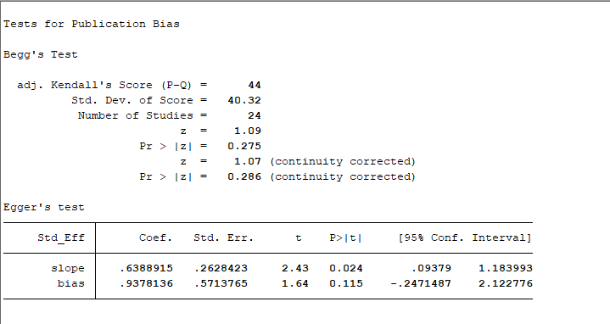
 | CARDIOVASCULAR DISEASE | severe |  | non-severe |  |  | final version | CARDIOVASCULAR DISEASE | severe |  | non-severe |  | comorbidities | total cases
6 | Dawei Wang | 9 | 26 | 11 | 38 |  | 4 | Cheng Kebin | 16 | 181 | 12 | 282 | 28 | 463 | Hubei
7 | XIAO Kaihu | 2 | 17 | 3 | 29 |  | 9 | Fang Xiaowei | 2 | 24 | 1 | 55 | 3 | 79 | non-Hubei
9 | Jin-jin Zhang | 4 |  | 3 |  |  | 7 | Li dan | 2 | 17 | 3 | 63 | 5 | 80 | non-Hubei
10 | Yuan Jing | 0 |  | 1 |  |  | 10 | Li Kunhua | 1 | 25 | 0 | 58 | 1 | 83 | non-Hubei
 |  |  |  |  |  |  |  | Sun Lijun | 1 | 15 | 0 | 40 | 1 | 55 | non-Hubei
 |  |  |  |  |  |  |  | Xiao Kaihu | 2 | 36 | 3 | 107 | 5 | 143 | non-Hubei
 |  |  |  |  |  |  |  | Yuan Jing | 0 | 31 | 1 | 192 | 1 | 223 | non-Hubei
 |  |  |  |  |  |  |  | Zhang Guqin | 13 | 55 | 9 | 166 | 22 | 221 | Hubei
 |  |  |  |  |  |  |  | Zhang Jin-jin | 4 | 52 | 3 | 82 | 7 | 140 | Hubei
 |  |  |  |  |  | 134 | 134 | Siqin Zhang | 1 | 19 | 0 | 115 | 1 | 134 | non-Hubei
 |  |  |  |  |  | 276 | 276 | Yiping Wei | 4 | 14 | 8 | 262 | 12 | 276 | Hubei
 |  |  |  |  |  | 1280 | 1280 | Huilin Fang | 54 | 487 | 48 | 793 | 102 | 1280 | Hubei
 |  |  |  |  |  | 92 | 92 | Wang Ling | 6 | 21 | 2 | 71 | 8 | 92 | Hubei
 |  |  |  |  |  | 66 | 66 | Yao Chunyong | 1 | 11 | 3 | 55 | 4 | 66 | non-Hubei
 |  |  |  |  |  | 58 | 58 | Lv Yaodong | 2 | 14 | 0 | 44 | 2 | 58 | non-Hubei
 |  |  |  |  |  | 788 | 788 | Shan-Yan Zhang | 2 | 78 | 9 | 710 | 11 | 788 | non-Hubei
 |  |  |  |  |  | 409 | 409 | Zhengtong Lv | 9 | 48 | 42 | 361 | 51 | 409 | Hubei
 |  |  |  |  |  | 564 | 564 | Zhichao Feng | 6 | 69 | 16 | 495 | 22 | 564 | non-Hubei
 |  |  |  |  |  | 172 | 172 | Chen Zhao | 10 | 60 | 7 | 112 | 17 | 172 | Hubei
 |  |  |  |  |  | 232 | 232 | Lingshuang Sheng | 16 | 130 | 9 | 102 | 25 | 232 | Hubei
 |  |  |  |  |  | 671 | 671 | Yifei Nie | 8 | 72 | 62 | 583 | 70 | 655 | non-Hubei
 |  |  |  |  |  | 1168 | 1168 | Sheng-long Chen | 17 | 148 | 16 | 1020 | 33 | 1168 | non-Hubei
 |  |  |  |  |  | 456 | 456 | B. Cheng | 37 | 251 | 15 | 205 | 52 | 456 | Hubei
 |  |  |  |  |  | 333 | 333 | XiaoYu | 8 | 26 | 16 | 307 | 24 | 333 | non-Hubei
 |  |  |  |  |  | 365 | 365 | Yanpei Zhang | 2 | 26 | 4 | 339 | 6 | 365 | non-Hubei
 |  |  |  |  |  | 1007 | 1007 | Yuan Cen | 34 | 287 | 31 | 720 | 65 | 1007 | Hubei
 |  |  |  |  |  | 78 | 78 | Nannan Zhang | 0 | 6 | 8 | 72 | 8 | 78 | non-Hubei
 |  |  |  |  |  | 108 | 108 | Qingchun Yao | 2 | 25 | 2 | 83 | 4 | 108 | Hubei
 |  |  |  |  |  | 293 | 293 | Zixin Shu | 11 | 86 | 8 | 207 | 19 | 293 | Hubei
 |  |  |  |  |  | 85 | 85 | Chang-Zheng Wang | 8 | 46 | 1 | 39 | 9 | 85 | Hubei
 |  |  |  |  |  |  |  | 30 |  |  |  |  |  | 10106

COPD
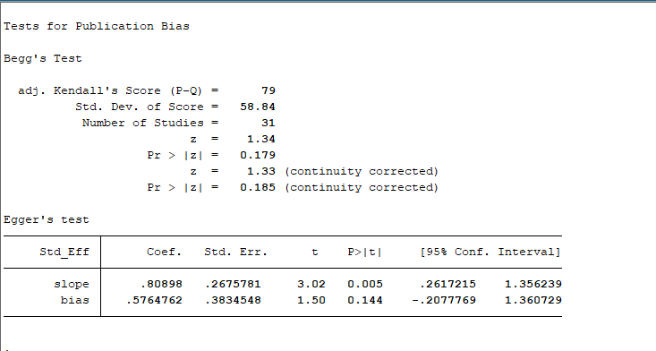
 | COPD | severe |  | non-severe |  |  | final version | COPD | severe |  | non-severe |  | comorbidities | total cases
6 | Dawei Wang | 3 | 26 | 1 | 38 |  |  | Cheng Kebin | 12 | 181 | 7 | 282 | 19 | 463 | Hubei
8 | Kunhua Li | 4 | 11 | 1 | 4 |  |  | Li dan | 2 | 17 | 1 | 63 | 3 | 80 | non-Hubei
9 | Jin-jin Zhang | 2 |  | 0 |  |  |  | Li Kunhua | 4 | 25 | 1 | 58 | 5 | 83 | non-Hubei
10 | Yuan Jing | 1 |  | 0 |  |  |  | Sun Lijun | 3 | 15 | 1 | 40 | 4 | 55 | non-Hubei
 |  |  |  |  |  |  |  | Xiao Kaihu | 1 | 36 | 3 | 107 | 4 | 143 | non-Hubei
 |  |  |  |  |  |  |  | Yuan Jing | 1 | 31 | 0 | 192 | 1 | 223 | non-Hubei
 |  |  |  |  |  |  |  | Zhang Guqin | 4 | 55 | 2 | 166 | 6 | 221 | Hubei
 |  |  |  |  |  |  |  | Zhang Jin-jin | 2 | 52 | 0 | 82 | 2 | 140 | Hubei
 |  |  |  |  |  |  |  | Zhao Xin-Ying | 1 | 30 | 0 | 61 | 1 | 91 | Hubei
 |  |  |  |  |  | 134 | 134 | Siqin Zhang | 1 | 19 | 0 | 115 | 1 | 134 | non-Hubei
 |  |  |  |  |  | 276 | 276 | Yiping Wei | 2 | 14 | 5 | 262 | 7 | 276 | Hubei
 |  |  |  |  |  | 1280 | 1280 | Huilin Fang | 15 | 487 | 15 | 793 | 30 | 1280 | Hubei
 |  |  |  |  |  | 412 | 412 | Yang Xiuhong | 23 | 301 | 4 | 111 | 27 | 412 | Hubei
 |  |  |  |  |  | 92 | 92 | Wang Ling | 3 | 21 | 3 | 71 | 6 | 92 | Hubei
 |  |  |  |  |  | 66 | 66 | Yao Chunyong | 1 | 11 | 3 | 55 | 4 | 66 | Hubei
 |  |  |  |  |  | 788 | 788 | Shan-Yan Zhang | 3 | 78 | 0 | 710 | 3 | 788 | non-Hubei
 |  |  |  |  |  | 409 | 409 | Zhengtong Lv | 4 | 48 | 13 | 361 | 17 | 409 | Hubei
 |  |  |  |  |  | 564 | 564 | Zhichao Feng | 9 | 69 | 7 | 495 | 16 | 564 | non-Hubei
 |  |  |  |  |  | 172 | 172 | Chen Zhao | 2 | 60 | 2 | 112 | 4 | 172 | Hubei
 |  |  |  |  |  | 232 | 232 | Lingshuang Sheng | 7 | 130 | 1 | 102 | 8 | 232 | Hubei
 |  |  |  |  |  | 671 | 671 | Yifei Nie | 2 | 72 | 15 | 583 | 17 | 655 | non-Hubei
 |  |  |  |  |  | 1168 | 1168 | Sheng-long Chen | 6 | 148 | 27 | 1020 | 33 | 1168 | non-Hubei
 |  |  |  |  |  | 456 | 456 | B. Cheng | 14 | 251 | 4 | 205 | 18 | 456 | Hubei
 |  |  |  |  |  | 333 | 333 | XiaoYu | 2 | 26 | 3 | 307 | 5 | 333 | non-Hubei
 |  |  |  |  |  | 365 | 365 | Yanpei Zhang | 0 | 26 | 2 | 339 | 2 | 365 | non-Hubei
 |  |  |  |  |  | 1007 | 1007 | Yuan Cen | 32 | 287 | 14 | 720 | 46 | 1007 | Hubei
 |  |  |  |  |  | 663 | 663 | Jixiang Zhang | 38 | 409 | 13 | 254 | 51 | 663 | Hubei
 |  |  |  |  |  | 41 | 41 | Qing Zhang | 0 | 8 | 2 | 33 | 2 | 41 | non-Hubei
 |  |  |  |  |  | 56 | 56 | Jing-Bo Wang | 2 | 11 | 0 | 45 | 2 | 56 | non-Hubei
 |  |  |  |  |  | 108 | 108 | Qingchun Yao | 0 | 25 | 3 | 83 | 3 | 108 | Hubei
 |  |  |  |  |  | 85 | 85 | Chang-Zheng Wang | 4 | 46 | 1 | 39 | 5 | 85 | Hubei
 |  |  |  |  |  |  |  | 31 |  |  |  |  |  | 10861

maglinancy
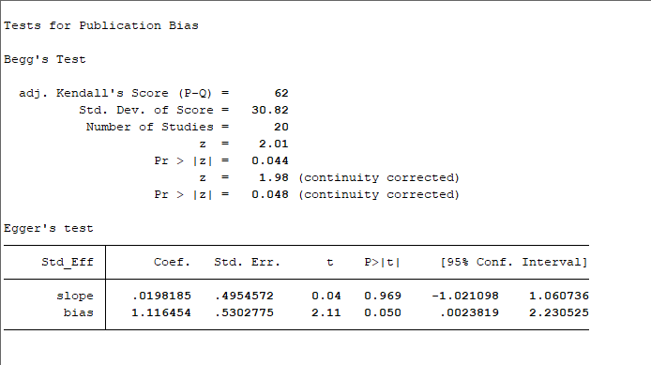
 | MALIGNANCY | severe |  | non-severe |  | final version | MALIGNANCY | severe |  | non-severe |  | comorbidities | total cases
5 | XIONG Juan | 3 | 27 | 8 | 39 | 4 | Cheng Kebin | 6 | 181 | 4 | 282 | 10 | 463 | Hubei
6 | Dawei Wang | 4 | 26 | 6 | 38 | 5 | Fang Xiaowei | 0 | 24 | 1 | 55 | 1 | 79 | non-Hubei
 |  |  |  |  |  |  | Li dan | 1 | 17 | 0 | 63 | 1 | 80 | non-Hubei
 |  |  |  |  |  |  | Zhang Guqin | 4 | 55 | 5 | 166 | 9 | 221 | Hubei
 |  |  |  |  |  |  | Zhao Xin-Ying | 2 | 30 | 1 | 61 | 3 | 91 | Hubei
 |  |  |  |  | 134 | 134 | Siqin Zhang | 0 | 19 | 1 | 115 | 1 | 134 | non-Hubei
 |  |  |  |  | 276 | 276 | Yiping Wei | 2 | 14 | 1 | 262 | 3 | 276 | Hubei
 |  |  |  |  | 1280 | 1280 | Huilin Fang | 4 | 487 | 9 | 793 | 13 | 1280 | Hubei
 |  |  |  |  | 103 | 103 | Ren Meixin | 3 | 32 | 1 | 71 | 4 | 103 | non-Hubei
 |  |  |  |  | 788 | 788 | Shan-Yan Zhang | 3 | 78 | 3 | 710 | 6 | 788 | non-Hubei
 |  |  |  |  | 564 | 564 | Zhichao Feng | 1 | 69 | 3 | 495 | 4 | 564 | non-Hubei
 |  |  |  |  | 172 | 172 | Chen Zhao | 3 | 60 | 4 | 112 | 7 | 172 | Hubei
 |  |  |  |  | 232 | 232 | Lingshuang Sheng | 4 | 130 | 2 | 102 | 6 | 232 | Hubei
 |  |  |  |  | 1168 | 1168 | Sheng-long Chen | 3 | 148 | 8 | 1020 | 11 | 1168 | non-Hubei
 |  |  |  |  | 456 | 456 | B. Cheng | 10 | 251 | 2 | 205 | 12 | 456 | Hubei
 |  |  |  |  | 365 | 365 | Yanpei Zhang | 0 | 26 | 2 | 339 | 2 | 365 | non-Hubei
 |  |  |  |  | 663 | 663 | Jixiang Zhang | 11 | 409 | 3 | 254 | 14 | 663 | non-Hubei
 |  |  |  |  | 78 | 78 | Nannan Zhang | 0 | 6 | 2 | 72 | 2 | 78 | non-Hubei
 |  |  |  |  | 108 | 108 | Qingchun Yao | 2 | 25 | 0 | 83 | 2 | 108 | Hubei
 |  |  |  |  | 64 | 64 | Huihuang Huang | 1 | 21 | 0 | 43 | 1 | 64 | non-Hubei
 |  |  |  |  |  |  | 20 |  |  |  |  |  | 7385

chronic liver disease

 | CHRONIC LIVER DISEASE | severe |  | non-severe |  | final version | CHRONIC LIVER DISEASE | severe |  | non-severe |  | comorbidities | total cases
4 | FANG Xiaowei | 0 | 16 | 3 | 11 | 4 | Cheng Kebin | 5 | 181 | 17 | 282 | 22 | 463 | Hubei
5 | XIONG Juan | 1 | 27 | 0 | 39 | 9 | Fang Xiaowei | 0 | 24 | 3 | 55 | 3 | 79 | non-Hubei
7 | XIAO Kaihu | 2 | 17 | 2 | 29 | 7 | Li dan | 1 | 17 | 2 | 63 | 3 | 80 | non-Hubei
9 | Jin-jin Zhang | 4 |  | 4 |  | 5 | Sun Lijun | 2 | 15 | 1 | 40 | 3 | 55 | non-Hubei
 |  |  |  |  |  |  | Xiao Kaihu | 2 | 36 | 2 | 107 | 4 | 143 | non-Hubei
 |  |  |  |  |  |  | Yuan Jing | 2 | 31 | 6 | 192 | 8 | 223 | non-Hubei
 |  |  |  |  |  |  | Zhang Guqin | 4 | 55 | 3 | 166 | 7 | 221 | Hubei
 |  |  |  |  |  |  | Zhang Jin-jin | 4 | 52 | 4 | 82 | 8 | 140 | Hubei
 |  |  |  | 1280 |  | 1280 | Huilin Fang | 8 | 487 | 9 | 793 | 17 | 1280 | Hubei
 |  |  |  | 103 |  | 103 | Ren Meixin | 1 | 32 | 5 | 71 | 6 | 103 | non-Hubei
 |  |  |  | 66 |  | 66 | Yao Chunyong | 0 | 11 | 3 | 55 | 3 | 66 | Hubei
 |  |  |  | 58 |  | 58 | Lv Yaodong | 1 | 14 | 3 | 44 | 4 | 58 | non-Hubei
 |  |  |  | 77 |  | 77 | Cheng Fang | 2 | 27 | 6 | 50 | 8 | 77 | non-Hubei
 |  |  |  | 788 |  | 788 | Shan-Yan Zhang | 4 | 78 | 27 | 710 | 31 | 788 | non-Hubei
 |  |  |  | 564 |  | 564 | Zhichao Feng | 3 | 69 | 6 | 495 | 9 | 564 | non-Hubei
 |  |  |  | 172 |  | 172 | Chen Zhao | 1 | 60 | 2 | 112 | 3 | 172 | Hubei
 |  |  |  | 232 |  | 232 | Lingshuang Sheng | 7 | 130 | 5 | 102 | 12 | 232 | Hubei
 |  |  |  | 1168 |  | 1168 | Sheng-long Chen | 8 | 148 | 31 | 1020 | 39 | 1168 | non-Hubei
 |  |  |  | 365 |  | 365 | Yanpei Zhang | 1 | 26 | 8 | 339 | 9 | 365 | non-Hubei
 |  |  |  | 1007 |  | 1007 | Yuan Cen | 1 | 287 | 8 | 720 | 9 | 1007 | Hubei
 |  |  |  | 56 |  | 56 | Jing-Bo Wang | 1 | 11 | 9 | 45 | 10 | 56 | non-Hubei
 |  |  |  | 108 |  | 108 | Qingchun Yao | 1 | 25 | 1 | 83 | 2 | 108 | Hubei
 |  |  |  | 85 |  | 85 | Chang-Zheng Wang | 4 | 46 | 2 | 39 | 6 | 85 | Hubei
 |  |  |  |  |  |  | 23 |  |  |  |  |  | 7533

kidney disease
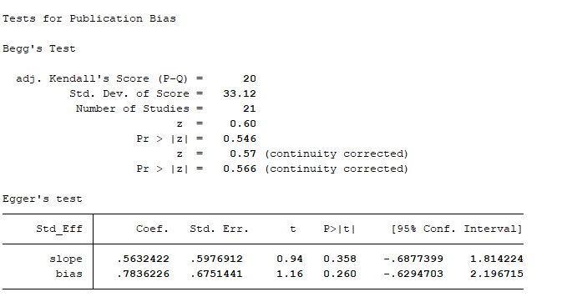
 | 肾 | severe |  | non-severe |  | final version | kidney disease | severe |  | non-severe |  | comorbidities | total cases
5 | XIONG Juan | 1 | 27 | 2 | 39 |  | Cheng Kebin | 6 | 181 | 7 | 282 | 13 | 463 | Hubei
6 | Dawei Wang | 2 | 26 | 2 | 38 |  | Fang Xiaowei | 1 | 24 | 2 | 55 | 3 | 79 | non-Hubei
 |  |  |  |  |  |  | Li dan | 1 | 17 | 0 | 63 | 1 | 80 | non-Hubei
 |  |  |  |  |  |  | Sun Lijun | 1 | 15 | 0 | 40 | 1 | 55 | non-Hubei
 |  |  |  |  |  |  | Zhang Guqin | 5 | 55 | 1 | 166 | 6 | 221 | Hubei
 |  |  |  |  |  |  | Zhao Xin-Ying | 1 | 30 | 0 | 61 | 1 | 91 | Hubei
 |  |  |  |  |  | 1280 | Huilin Fang | 16 | 487 | 4 | 793 | 20 | 1280 | Hubei
 |  |  |  |  |  | 412 | Yang Xiuhong | 5 | 301 | 5 | 111 | 10 | 412 | Hubei
 |  |  |  |  |  | 103 | Ren Meixin | 2 | 32 | 1 | 71 | 3 | 103 | non-Hubei
 |  |  |  |  |  | 66 | Yao Chunyong | 1 | 11 | 1 | 55 | 2 | 66 | Hubei
 |  |  |  |  |  | 788 | Shan-Yan Zhang | 2 | 78 | 5 | 710 | 7 | 788 | non-Hubei
 |  |  |  |  |  | 564 | Zhichao Feng | 2 | 69 | 1 | 495 | 3 | 564 | non-Hubei
 |  |  |  |  |  | 172 | Chen Zhao | 2 | 60 | 1 | 112 | 3 | 172 | Hubei
 |  |  |  |  |  | 232 | Lingshuang Sheng | 6 | 130 | 4 | 102 | 10 | 232 | Hubei
 |  |  |  |  |  | 1168 | Sheng-long Chen | 7 | 148 | 4 | 1020 | 11 | 1168 | non-Hubei
 |  |  |  |  |  | 456 | B. Cheng | 17 | 251 | 2 | 205 | 19 | 456 | Hubei
 |  |  |  |  |  | 365 | Yanpei Zhang | 0 | 26 | 2 | 339 | 2 | 365 | non-Hubei
 |  |  |  |  |  | 1007 | Yuan Cen | 8 | 287 | 6 | 720 | 14 | 1007 | Hubei
 |  |  |  |  |  | 293 | Zixin Shu | 4 | 86 | 0 | 207 | 4 | 293 | Hubei
 |  |  |  |  |  | 64 | Huihuang Huang | 1 | 21 | 0 | 43 | 1 | 64 | non-Hubei
 |  |  |  |  |  | 85 | Chang-Zheng Wang | 3 | 46 | 1 | 39 | 4 | 85 | Hubei
 |  |  |  |  |  |  | 21 |  |  |  |  |  | 8044

cerebrovascular disease
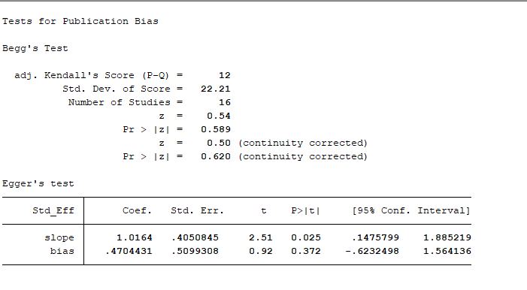
 |  |  |  |  |  |  |  | final version
 | 脑血管 | severe |  | non-severe |  |  |  | cerebrovascular diseases | severe |  | non-severe |  | comorbidities | total cases
5 | XIONG Juan | 2 | 27 | 4 | 39 |  | 4 | Cheng Kebin | 8 | 181 | 6 | 282 | 14 | 463 | Hubei
6 | Dawei Wang | 6 | 26 | 1 | 38 |  | 5 | Fang Xiaowei | 3 | 24 | 0 | 55 | 3 | 79 | non-Hubei
 |  |  |  |  |  |  |  | Zhang Guqin | 11 | 55 | 4 | 166 | 15 | 221 | Hubei
 |  |  |  |  |  | 276 | 276 | Yiping Wei | 1 | 14 | 5 | 262 | 6 | 276 | Hubei
 |  |  |  |  |  | 1280 | 1280 | Huilin Fang | 7 | 487 | 6 | 793 | 13 | 1280 | Hubei
 |  |  |  |  |  | 66 | 66 | Yao Chunyong | 1 | 11 | 1 | 55 | 2 | 66 | Hubei
 |  |  |  |  |  | 58 | 58 | Lv Yaodong | 2 | 14 | 0 | 44 | 2 | 58 | non-Hubei
 |  |  |  |  |  | 564 | 564 | Zhichao Feng | 0 | 69 | 5 | 495 | 5 | 564 | non-Hubei
 |  |  |  |  |  | 172 | 172 | Chen Zhao | 4 | 60 | 1 | 112 | 5 | 172 | Hubei
 |  |  |  |  |  | 1168 | 1168 | Sheng-long Chen | 4 | 148 | 6 | 1020 | 10 | 1168 | non-Hubei
 |  |  |  |  |  | 625 | 625 | Songqiao Liu | 2 | 64 | 8 | 561 | 10 | 625 | non-Hubei
 |  |  |  |  |  | 365 | 365 | Yanpei Zhang | 1 | 26 | 2 | 339 | 3 | 365 | non-Hubei
 |  |  |  |  |  | 1007 | 1007 | Yuan Cen | 14 | 287 | 11 | 720 | 25 | 1007 | Hubei
 |  |  |  |  |  | 78 | 78 | Nannan Zhang | 0 | 6 | 3 | 72 | 3 | 78 | non-Hubei
 |  |  |  |  |  | 293 | 293 | Zixin Shu | 9 | 86 | 2 | 207 | 11 | 293 | Hubei
 |  |  |  |  |  | 64 | 64 | Huihuang Huang | 1 | 21 | 0 | 43 | 1 | 64 | non-Hubei
 |  |  |  |  |  |  |  | 16 |  |  |  |  |  | 6779

