Ribosome profiling Smircich2015
Most abundant transcripts regulated by DRBD2 that are associated to polysomes in epimastigotes and metacyclic trypomastigotes
Data avaiable in TriTryp DB plataform (http://tritrypdb.org/tritrypdb/)
Reference: Smircich, P. et. al. Ribosome profiling reveals translation control as a key mechanism generating differential gene expression in Trypanosoma cruzi. BMC Genomics, 2015.

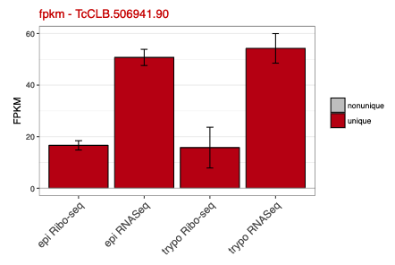
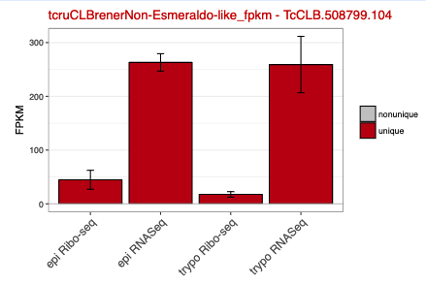
Gene | Sample | Value | Standard Error
TCDM_06351
TcCLB.506941.90 | epi Ribo-seq - unique | 16.64 | 1.8
TcCLB.506941.90 | epi RNASeq - unique | 50.73 | 3.14
TcCLB.506941.90 | trypo Ribo-seq - unique | 15.77 | 7.89
TcCLB.506941.90 | trypo RNASeq - unique | 54.24 | 5.73

TCDM_14363
TcCLB.506773.104 | epi Ribo-seq - unique | 64.58 | 23.12
TcCLB.506773.104 | epi RNASeq - unique | 276.46 | 16.23
TcCLB.506773.104 | trypo Ribo-seq - unique | 103.55 | 49.27
TcCLB.506773.104 | trypo RNASeq - unique | 241.16 | 64.98

TCDM_01670
TcCLB.506885.50 | epi Ribo-seq - unique | 26.41 | 4.59
TcCLB.506885.50 | epi RNASeq - unique | 59.38 | 3.34
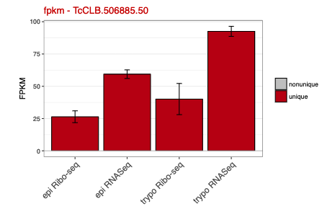
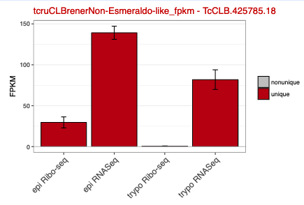
TcCLB.506885.50 | trypo Ribo-seq - unique | 40.11 | 12.08
TcCLB.506885.50 | trypo RNASeq - unique | 92.53 | 3.9

TCDM_14159
TcCLB.507711.50 | epi Ribo-seq - unique | 32.58 | 7.61
TcCLB.507711.50 | epi RNASeq - unique | 93.11 | 5.89
TcCLB.507711.50 | trypo Ribo-seq - unique | 2.01 | 2.01
TcCLB.507711.50 | trypo RNASeq - unique | 80.48 | 8.12

TCDM_01210
TcCLB.510289.10 | epi Ribo-seq - unique | 24.59 | 5.3
TcCLB.510289.10 | epi RNASeq - unique | 28.32 | 1.02
TcCLB.510289.10 | trypo Ribo-seq - unique | 15.14 | 7.21
TcCLB.510289.10 | trypo RNASeq - unique | 15.84 | 2.11

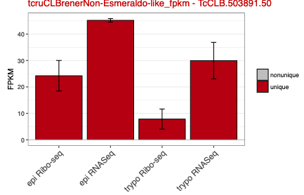
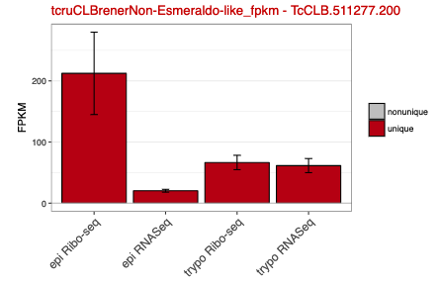
TCDM_02352
TcCLB.511277.200 | epi Ribo-seq - tcruCLBrenerNon-Esmeraldo-like - unique | 212.35 | 67.34
TcCLB.511277.200 | epi RNASeq - tcruCLBrenerNon-Esmeraldo-like - unique | 20.37 | 2.3
TcCLB.511277.200 | trypo Ribo-seq - tcruCLBrenerNon-Esmeraldo-like - unique | 66.55 | 11.77
TcCLB.511277.200 | trypo RNASeq - tcruCLBrenerNon-Esmeraldo-like - unique | 61.44 | 11.54

TCDM_06973
TcCLB.511907.290 | epi Ribo-seq - tcruCLBrenerNon-Esmeraldo-like - unique | 29.75 | 11.18
TcCLB.511907.290 | epi RNASeq - tcruCLBrenerNon-Esmeraldo-like - unique | 99.97 | 10.87
TcCLB.511907.290 | trypo Ribo-seq - tcruCLBrenerNon-Esmeraldo-like - unique | 1.1 | 0.81
TcCLB.511907.290 | trypo RNASeq - tcruCLBrenerNon-Esmeraldo-like - unique | 20.65 | 10.42

TCDM_12750
TcCLB.398477.10 | epi Ribo-seq - tcruCLBrenerNon-Esmeraldo-like - unique | 0.53 | 0.16
TcCLB.398477.10 | epi RNASeq - tcruCLBrenerNon-Esmeraldo-like - unique | 2.27 | 0.43
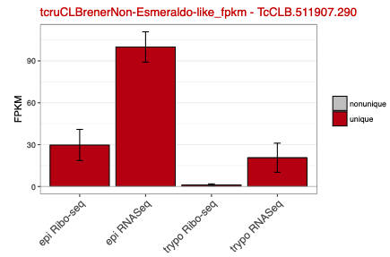
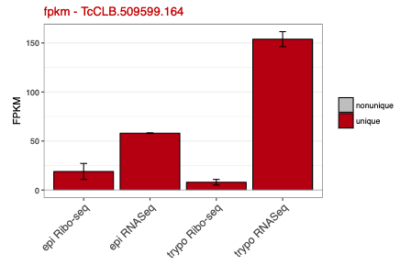
TcCLB.398477.10 | trypo Ribo-seq - tcruCLBrenerNon-Esmeraldo-like - unique | 81.16 | 20.24
TcCLB.398477.10 | trypo RNASeq - tcruCLBrenerNon-Esmeraldo-like - unique | 132.63 | 28.78

TCDM_12372
TcCLB.503417.50 | epi Ribo-seq - tcruCLBrenerNon-Esmeraldo-like - unique | 0.72 | 0.72
TcCLB.503417.50 | epi RNASeq - tcruCLBrenerNon-Esmeraldo-like - unique | 1.71 | 0.42
TcCLB.503417.50 | trypo Ribo-seq - tcruCLBrenerNon-Esmeraldo-like - unique | 0 | 0
TcCLB.503417.50 | trypo RNASeq - tcruCLBrenerNon-Esmeraldo-like - unique | 1.53 | 1.53

TCDM_13701
TcCLB.507787.150 | epi Ribo-seq - tcruCLBrenerNon-Esmeraldo-like - unique | 0.04 | 0.04
TcCLB.507787.150 | epi RNASeq - tcruCLBrenerNon-Esmeraldo-like - unique | 0.26 | 0.06
TcCLB.507787.150 | trypo Ribo-seq - tcruCLBrenerNon-Esmeraldo-like - unique | 0 | 0
TcCLB.507787.150 | trypo RNASeq - tcruCLBrenerNon-Esmeraldo-like - unique | 0.72 | 0.41

TCDM_03204
TcCLB.509599.164 | epi Ribo-seq - unique | 19 | 8.15
TcCLB.509599.164 | epi RNASeq - unique | 58 | 0.37
TcCLB.509599.164 | trypo Ribo-seq - unique | 7.97 | 2.9
TcCLB.509599.164 | trypo RNASeq - unique | 153.87 | 7.66

Sheet1
Most abundant transcripts regulated by DRBD2 that are associated to polysomes in epimastigotes and metacyclic trypomastigotes
Data avaiable in TriTryp DB plataform (http://tritrypdb.org/tritrypdb/)
Reference: Smircich, P. et. al. Ribosome profiling reveals translation control as a key mechanism generating differential gene expression in Trypanosoma cruzi. BMC Genomics, 2015.

Gene | Sample | Value |  |  |  |  |  |  | Standard Error
 |  | TCDM_06351 | TCDM_14363 | TCDM_01670 | TCDM_14159 | TCDM_01210 | TCDM_02352 | TCDM_06973 | TCDM_06351 | TCDM_14363 | TCDM_01670 | TCDM_14159 | TCDM_01210 | TCDM_02352 | TCDM_06973
TcCLB.506941.90 | epimastigote Ribo-seq | 16.64 | 64.58 | 26.41 | 32.58 | 24.59 | 212.35 | 29.75 | 1.8 | 23.12 | 4.59 | 7.61 | 5.3 | 67.34 | 11.18
TcCLB.506941.90 | epimastigote RNA-Seq | 50.75 | 276.46 | 59.38 | 93.11 | 28.32 | 20.37 | 99.97 | 3.14 | 16.23 | 3.34 | 5.89 | 1.02 | 2.3 | 10.87
TcCLB.506941.90 | trypomastigote Ribo-seq | 15.77 | 103.55 | 40.11 | 2.01 | 15.14 | 66.55 | 1.1 | 7.89 | 49.27 | 12.08 | 2.01 | 7.21 | 11.77 | 0.81
TcCLB.506941.90 | trypomastigote RNA-Seq | 54.24 | 241.16 | 92.53 | 80.48 | 15.84 | 61.44 | 20.65 | 5.73 | 64.98 | 3.9 | 8.12 | 2.11 | 11.54 | 10.42

