intron distribution graph
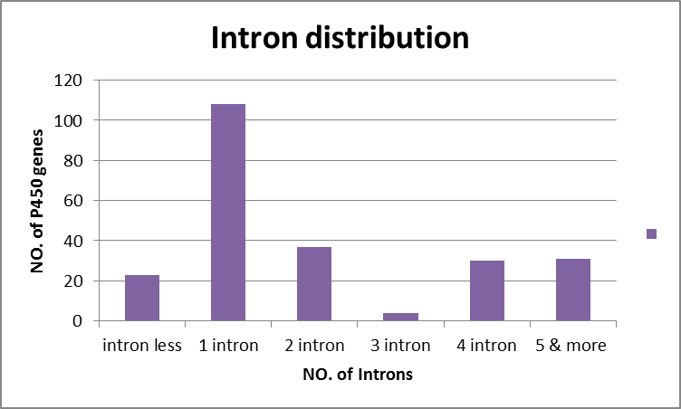
intron less | 23 | 9.8712446352
1 intron | 108 | 46.35193133 | 62.231759657
2 intron | 37 | 15.879828326
3 intron | 4 | 1.7167381974
4 intron | 30 | 12.875536481
5 & more | 31 | 13.30472103
 |  | 100
 | 233

