Sheet3
At | Os | common | At unique | Os unique |  |  |  |  | 同源
PH01002127G0260 | PH01002127G0260 | PH01002127G0260 | PH01000967G0040 | PH01000438G0210 |  | PH01002127G0260 | 266aa | AHM92063 |  | MADS-box protein 3 [Phyllostachys edulis]
PH01000306G0610 | PH01000306G0610 | PH01000306G0610 | PH01000173G1010 | PH01004500G0050 |  | PH01000306G0610 | 257aa | ACB05814.1 |  | flower development related protein [Phyllostachys praecox] | PpMADS1, a new member of AP1/SQUA-like MADS-box genes, is a
PH01000606G0250 | PH01000606G0250 | PH01000606G0250 | PH01000887G0360 | PH01002535G0020 |  | PH01000606G0250 | 201aa | ACO53802.1 |  | truncated MADS box protein [Phyllostachys praecox] | potential molecular marker for the prediction of bamboo
PH01000059G1270 | PH01000466G0340 | PH01000466G0340 | PH01002030G0040 | PH01004397G0010 |  | PH01000466G0340 | 370aa |  |  |  | consenescence-induced flowering
PH01000759G0450 | PH01000437G0930 | PH01000437G0930 | PH01001158G0640 | PH01002723G0130 |  | PH01000437G0930 | 228aa |  | ACF80425.1（Zm）
PH01000038G1550 | PH01000059G1270 | PH01000059G1270 | PH01000264G0040 |  |  | PH01000059G1270 | 222aa
PH01000466G0340 | PH01000759G0450 | PH01000759G0450 | PH01002645G0030 |  |  | PH01000759G0450 | 226aa |  | Os03g122600
PH01000437G0930 | PH01000038G1550 | PH01000038G1550 | PH01000679G0060 |  |  | PH01000038G1550 | 230aa
PH01000317G0080 | PH01000317G0080 | PH01000317G0080 |  |  |  | PH01000317G0080 | 209aa | AHM92062.1 |  | MADS-box protein 2 [Phyllostachys edulis] | De novo characterization of Bambusa edulis transcriptome and study
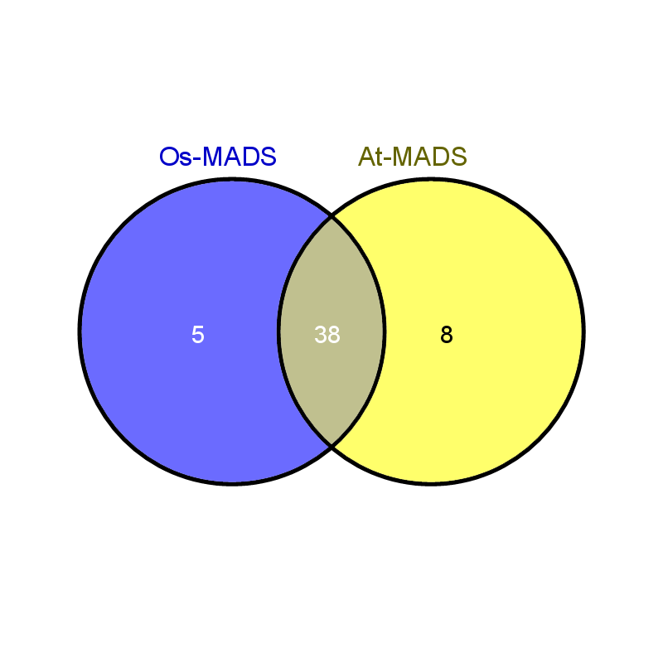
PH01000338G0120 | PH01001878G0200 | PH01001878G0200 |  |  |  | PH01001878G0200 | 209aa |  |  | PISTILLATA-like MADS-box transcription factor, partial [Phyllostachys propinqua] | of MADS genes in bamboo floral development
PH01000006G0210 | PH01000338G0120 | PH01000338G0120 |  |  |  | PH01000338G0120 | 226aa |  | NP_001289806.1（Bd） |  | duplicated PI genes in grasses
PH01001878G0200 | PH01000616G0020 | PH01000616G0020 |  |  |  | PH01000616G0020 | 190aa |  | EAY82572.1（Os）
PH01002743G0050 | PH01002743G0050 | PH01002743G0050 |  |  |  | PH01002743G0050 | 124aa | AHM92073.1(255 aa) |  | MADS-box protein 18 [Phyllostachys edulis] | De novo characterization of Bambusa edulis transcriptome and study
PH01005177G0100 | PH01000006G0210 | PH01000006G0210 |  |  |  | PH01000006G0210 | 281aa |  | AAO92341.1（Os） |  | of MADS genes in bamboo floral development
PH01000616G0020 | PH01005177G0100 | PH01005177G0100 |  |  |  | PH01005177G0100 | 211aa
PH01000216G0990 | PH01000794G0210 | PH01000794G0210 |  |  |  | PH01000794G0210 | 273aa |  | NP_001289793.1(Bd)
PH01002152G0090 | PH01001113G0580 | PH01001113G0580 |  |  |  | PH01001113G0580 | 301aa
PH01001952G0230 | PH01000216G0990 | PH01000216G0990 |  |  |  | PH01000216G0990 | 63aa
PH01001303G0110 | PH01001303G0110 | PH01001303G0110 |  |  |  | PH01001303G0110 | 132aa
PH01000794G0210 | PH01001952G0230 | PH01001952G0230 |  |  |  | PH01001952G0230 | 79aa
PH01002755G0230 | PH01000117G1210 | PH01000117G1210 |  |  |  | PH01000117G1210 | 152aa
PH01000117G1210 | PH01002152G0090 | PH01002152G0090 |  |  |  | PH01002152G0090 | 96aa
PH01001113G0580 | PH01002755G0230 | PH01002755G0230 |  |  |  | PH01002755G0230 | 105aa |  | SOC1-like
PH01000954G0350 | PH01000080G0200 | PH01000080G0200 |  |  |  | PH01000080G0200 | 259aa |  | ABF57916.1(TaAGL11)
PH01003178G0150 | PH01003178G0150 | PH01003178G0150 |  |  |  | PH01003178G0150 | 86aa
PH01000080G0200 | PH01000954G0350 | PH01000954G0350 |  |  |  | PH01000954G0350 | 377aa
PH01000222G1060 | PH01000222G1060 | PH01000222G1060 |  |  |  | PH01000222G1060 | 160aa
PH01000518G0720 | PH01000518G0720 | PH01000518G0720 |  |  |  | PH01000518G0720 | 77aa
PH01000222G1190 | PH01000222G1190 | PH01000222G1190 |  |  |  | PH01000222G1190 | 359aa
PH01001278G0330 | PH01001188G0490 | PH01001188G0490 |  |  |  | PH01001188G0490 | 173aa | AHM92071.1 |  | MADS-box protein 15 [Phyllostachys edulis]
PH01001188G0490 | PH01001278G0330 | PH01001278G0330 |  |  |  | PH01001278G0330 | 235aa | AHM92063.1 |  | MADS-box protein 3 [Phyllostachys edulis]
PH01002152G0120 | PH01001952G0190 | PH01001952G0190 |  |  |  | PH01001952G0190 | 200aa | AHM92061.1 |  | MADS-box protein 1 [Phyllostachys edulis]
PH01000107G0570 | PH01021006G0010 | PH01021006G0010 |  |  |  | PH01021006G0010 | 152aa | AHM92076.1 |  | MADS-box protein 58 [Phyllostachys edulis]
PH01001952G0190 | PH01003236G0170 | PH01003236G0170 |  |  |  | PH01003236G0170 | 179aa
PH01021006G0010 | PH01000077G1380 | PH01000077G1380 |  |  |  | PH01000077G1380 | 165aa
PH01001174G0480 | PH01001174G0480 | PH01001174G0480 |  |  |  | PH01001174G0480 | 181aa | AHM92065.1 |  | MADS-box protein 5 [Phyllostachys edulis]
PH01003236G0170 | PH01002152G0120 | PH01002152G0120 |  |  |  | PH01002152G0120 | 202aa
PH01000077G1380 | PH01000107G0570 | PH01000107G0570 |  |  |  | PH01000107G0570 | 309aa
PH01000967G0040 | PH01000438G0210 |  |  |  | At | PH01000967G0040 | 291aa
PH01000173G1010 | PH01004500G0050 |  |  |  |  | PH01000173G1010
PH01000887G0360 | PH01002535G0020 |  |  |  |  | PH01000887G0360
PH01002030G0040 | PH01004397G0010 |  |  |  |  | PH01002030G0040
PH01001158G0640 | PH01002723G0130 |  |  |  |  | PH01001158G0640
PH01000264G0040 |  |  |  |  |  | PH01000264G0040
PH01002645G0030 |  |  |  |  |  | PH01002645G0030
PH01000679G0060 |  |  |  |  |  | PH01000679G0060
 |  |  |  |  | Os | PH01000438G0210
 |  |  |  |  |  | PH01004500G0050
 |  |  |  |  |  | PH01002535G0020
 |  |  |  |  |  | PH01004397G0010
 |  |  |  |  |  | PH01002723G0130

